Coding Style
Coding Style |  |  |  |  |  |  |  |  | Informaton
No | Formatting | Format | Status | Target Date | Completion Date | Notes | Example Code | Real Code | Not Available
1 | Never declare more than 1 namespace per file. | jangan menyatakan lebih dari 1 namespaca dalam satu file |  |  |  |  |  |  | Checked
2 | Avoid putting multiple classes in a single file.
3 | Always place curly braces ({ and }) on a new line.
4 | Always use curly braces ({ and }) in conditional statements.
5 | Always use a Tab & Indention size of 4.
6 | Declare each variable independently – not in the same statement.
7 | Place namespace “using” statements together at the top of file. Group .NET namespaces above custom namespaces.
8 | Group internal class implementation by type in the following order: a. Member variables, b. Constructors & Finalizers, c. Nested Enums, Structs, and Classes, d. Properties, e. Methods.
9 | Sequence declarations within type groups based upon access modifier and visibility: a. Public, b. Protected, c. Internal, d. Private.
10 | Segregate interface Implementation by using #region statements.
11 | Append folder-name to namespace for source files within sub-folders.
12 | Recursively indent all code blocks contained within braces.
13 | Use white space (CR/LF, Tabs, etc) liberally to separate and organize code.
14 | Only declare related attribute declarations on a single line, otherwise stack each attribute as a separate declaration. |  |  |  |  |  | 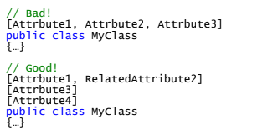
15 | Place Assembly scope attribute declarations on a separate line.
16 | Place Type scope attribute declarations on a separate line.
17 | Place Method scope attribute declarations on a separate line.
18 | Place Member scope attribute declarations on a separate line.
19 | Place Parameter attribute declarations inline with the parameter.
20 | If in doubt, always err on the side of clarity and consistency.

Languages
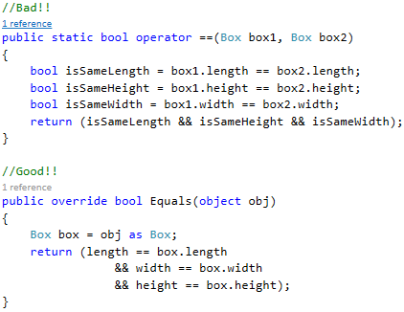

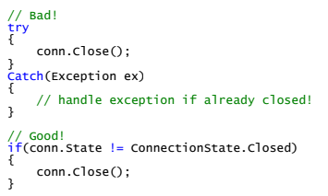
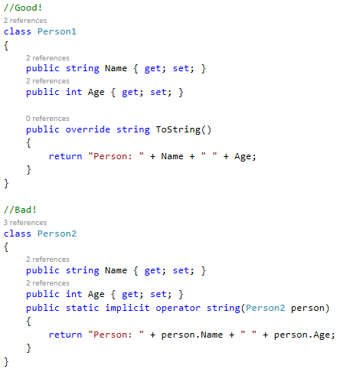
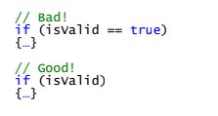

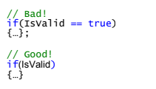

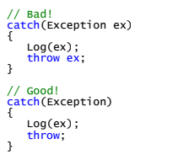


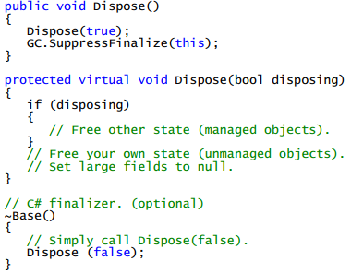

Languages |  |  |  |  |  |  |  |  | Informaton
No | General | Format | Status | Target Date | Completion Date | Notes | Example Code | Real Code | Not Available
1 | Do not omit access modifiers. Explicitly declare all identifiers with the appropriate access modifier instead of allowing the default. |  |  |  |  |  |  |  | Checked
2 | Do not use the default (“1.0.*”) versioning scheme. Increment the AssemblyVersionAttribute value manually.
3 | Set the ComVisibleAttribute to false for all assemblies. |  | N/A
4 | Only selectively enable the ComVisibleAttribute for individual classes when needed. |  | N/A
5 | Consider factoring classes containing unsafe code blocks into a separate assembly.
6 | Avoid mutual references between assemblies.

Variable Types
Variables & Types |  |  |  |  |  |  |  |  | Informaton
No | General | Format | Status | Target Date | Completion Date | Notes | Example Code | Real Code | Not Available
7 | Try to initialize variables where you declare them. |  |  |  |  |  |  | private AudioServer _AudioServer = null; | Checked
8 | Always choose the simplest data type, list, or object required.
9 | Always use the built-in C# data type aliases, not the .NET common type system (CTS).
10 | Only declare member variables as private. Use properties to provide access to them with public, protected, or internal access modifiers.
11 | Try to use int for any non-fractional numeric values that will fit the int datatype - even variables for nonnegative numbers.
12 | Only use long for variables potentially containing values too large for an int.
13 | Try to use double for fractional numbers to ensure decimal precision in calculations. |  | N/A
14 | Only use float for fractional numbers that will not fit double or decimal. |  | N/A
15 | Avoid using float unless you fully understand the implications upon any calculations. |  | N/A
16 | Try to use decimal when fractional numbers must be rounded to a fixed precision for calculations. Typically this will involve money. |  | N/A
17 | Avoid using sbyte, short, uint, and ulong unless it is for interop (P/Invoke) with native libraries. |  | N/A
18 | Avoid specifying the type for an enum - use the default of int unless you have an explicit need for long (very uncommon). |  | N/A
19 | Avoid using inline numeric literals (magic numbers). Instead, use a Constant or Enum. |  | N/A
20 | Avoid declaring string literals inline. Instead use Resources, Constants, Configuration Files, Registry or other data sources.
21 | Declare readonly or static readonly variables instead of constants for complex types.
22 | Only declare constants for simple types. |  | N/A
23 | Avoid direct casts. Instead, use the “as” operator and check for null. |  | N/A
24 | Always prefer C# generic collection types over standard or strong-typed collections.
25 | Always explicitly initialize arrays of reference types using a for loop.
26 | Avoid boxing and unboxing value types. |  | N/A
27 | Floating point values should include at least one digit before the decimal place and one after. |  | N/A |  |  |  | totalPercent = 0.05;
28 | Try to use the “@” prefix for string literals instead of escaped strings. |  | N/A
29 | Prefer String.Format() or StringBuilder over string concatenation |  | N/A
30 | Never concatenate strings inside a loop.
31 | Do not compare strings to String.Empty or “” to check for empty strings. Instead, compare by using String.Length == 0.
32 | Avoid hidden string allocations within a loop. Use String.Compare() for case-sensitive. |  | N/A |  |  |  | 